Sheet1
H-ROTTOR Wind Tunnel Test
Team Zephyrus Feasibility Test
Conducted by John Lear
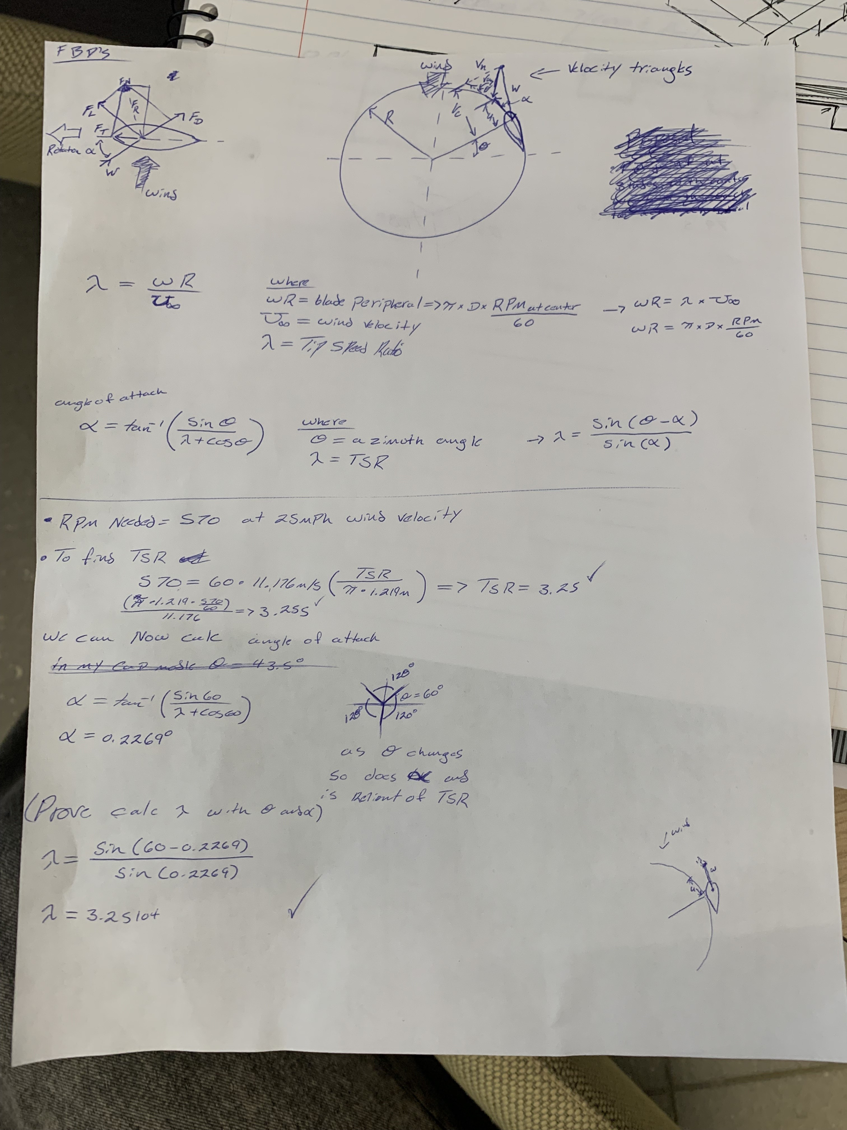

Set up

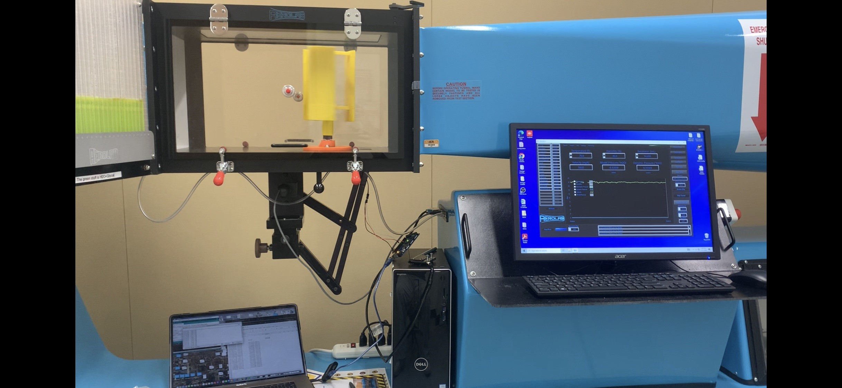
RPM vs Wind Speed, (WT), m/s
Predicted 𝑅𝑃𝑀 of H-Rottor bloade at 25 mph wind speeds using 𝑅𝑃𝑀 vs Wind Speed Trend Line
25 = 1.2453x + 1.9645
x = Expected 𝑅𝑃𝑀 = 18.5
Gear ratio needed to reach ideal 𝑅𝑃𝑀 of 570
= 1:30.811
 | Wind Speed vs avg RPM
 | RPM WT | Wind Velocity m/s
 | 35 | 6
 | 49.9 | 9
 | 65.04 | 12
 | 107.5 | 15
 | 113.6 | 18
 | 168 | 21
 | 231.6 | 24
 | 303.6 | 27
 | 326.38 | 30
 | 404.28 | 33
Hand Calculation of predicted 𝑅𝑃𝑀 based on 𝑇𝑆𝑅
𝑅𝑃𝑀=60×𝑣×(𝑇𝑆𝑅/𝜋D)
using found 𝑇𝑆𝑅 of 0.266, and D=1.219m, and 𝑣 = 11.176m/s
𝑅𝑃𝑀=46.57
Gear ratio needed to reach ideal 𝑅𝑃𝑀 of 570
= 1:12.24

 | Scaling RPM |  |  |  |  | Scaling Wind Velocity
(RPM*(Lc/V))_WT = (RPM*(Lc/V))_outside
solving for RPM_wt gives
(RPM_outside= RPM_wt*(Lc_wt/Lc_out)^2)
(Lc_wt/Lc_out)^2 = 0.01513675835
Therefore
RPM_outside = RPM_wt * 0.01513675835
V_ouside = V_wt / (Lc_outside/Lc_wt)
(Lc_outside / Lc_wt) = 8.128
Therefore
V_outside = V_wt * 8.128

Percent Difference Between 𝑅𝑃𝑀s
=86.2763% difference

RPM vs Wind Speed, (OutSide), m/s
Wind Velocity Scaled vs 𝑅𝑃𝑀
 | RPM_outside |  | Wind Velocity m/s | Wind Velocity mph
 | 0.52978654225 |  | 0.73818897638 | 1.6512844488
 | 0.75532424167 |  | 1.1072834646 | 2.4769266732
 | 0.98449476308 |  | 1.4763779528 | 3.3025688976
Redesign H-Rottor blade
design blades that have a calculated TSR that will produce our needed 570 RPM at 25 mph winds to acomindate our gear box
TSR = (blade peripheral speed)/Wind velocity
blade peripheral speed = pi * D * RPS at center
solving, 𝑅𝑃𝑀=60×𝑣×(𝑇𝑆𝑅/𝜋D) where D=1.219m, and 𝑣 = 11.176m/s, and 𝑅𝑃𝑀 = 570. we need a TSR = 3.25
solving for angle of atack needed to creat tsr of 3.25
 | 1.6272015226 |  | 1.8454724409 | 4.128211122
 | 1.7195357486 |  | 2.2145669291 | 4.9538533465
 | 2.5429754028 |  | 2.5836614173 | 5.7794955709
 | 3.5056732339 |  | 2.9527559055 | 6.6051377953
 | 4.5955198351 |  | 3.3218503937 | 7.4307800197
 | 4.9403351903 |  | 3.6909448819 | 8.2564222441
 | 6.1194886657 |  | 4.0600393701 | 9.0820644685

DATA Collected Form H-ROTTOR Wind Tunnel Test
Using scalled blades and wind velocity
RPM musellements done using a holodraphic sensor encoder
RPM readings done with a 3 secondond interval
RPM mesurements taken for 1 to 2 minutes per wind velocity. An average was then taken
All RPM valuse are to be doubled as Counts per revolution is rather then the 8 used in code
 |  |  |  |  | 6/ms WT | avg 35 RPM |  | 9 m/s WT | avg 49.9 RPM | 12 m/s WT | avg 65.04 RPM |  | 15 m/s WT | avg 107.5 RPM | 18 m/s WT | avg 135 to 131.5 | 21 m/s WT | avg 167.36 to 169.04 | 24 m/s WT | avg 231.66 to 234 | 27 m/s WT | avg 303.6 to | 30 m/s WT | avg 163.19 to 166 | 33 m/s WT | avg 202.14 to

 |  |  |  |  | 14:32:29.788 ->17.50 0.00 |  |  | 14:35:02.951 -> 25.00 0.00 |  | 14:39:00.274 -> 30.00 0.00 |  |  | 14:41:00.372 -> 52.50 0.00 |  | 14:44:00.556 -> 67.50 0.00 |  | 14:47:06.761 -> 85.00 0.00 |  | 14:51:01.006 -> 122.50 0.00 |  | 14:54:01.164 -> 147.50 0.00 |  | 14:57:01.352 -> 165.00 0.00 |  | 5:00:01.571 -> 207.50 0.00
 |  |  |  |  | 14:32:32.780 -> 20.00 0.00 |  |  | 14:35:05.928 -> 22.50 0.00 |  | 14:39:03.253 -> 35.00 0.00 |  |  | 14:41:03.371 -> 52.50 0.00 |  | 14:44:03.572 -> 67.50 0.00 |  | 14:47:09.758 -> 85.00 0.00 |  | 14:51:04.007 -> 122.50 0.00 |  | 14:54:04.173 -> 152.50 0.00 |  | 14:57:04.355 -> 167.50 0.00 |  | 15:00:04.556 -> 202.50 0.00
 |  |  |  |  | 14:32:35.806 -> 15.00 0.00 |  |  | 14:35:08.940 -> 25.00 0.00 |  | 14:39:06.280 -> 30.00 0.00 |  |  | 14:41:06.391 -> 52.50 0.00 |  | 14:44:06.572 -> 67.50 0.00 |  | 14:47:12.747 -> 87.50 0.00 |  | 14:51:07.011 -> 120.00 0.00 |  | 14:54:07.188 -> 150.00 0.00 |  | 14:57:07.383 -> 165.00 0.00 |  | 15:00:07.572 -> 205.00 0.00
 |  |  |  |  | 14:32:38.807 -> 17.50 0.00 |  |  | 14:35:11.942 -> 25.00 0.00 |  | 14:39:09.253 -> 32.50 0.00 |  |  | 14:41:09.396 -> 55.00 0.00 |  | 14:44:09.557 -> 67.50 0.00 |  | 14:47:15.751 -> 85.00 0.00 |  | 14:51:10.003 -> 117.50 0.00 |  | 14:54:10.185 -> 152.50 0.00 |  | 14:57:10.384 -> 162.50 0.00 |  | 15:00:10.585 -> 200.00 0.00
 |  |  |  |  | 14:32:41.806 -> 17.50 0.00 |  |  | 14:35:14.946 -> 25.00 0.00 |  | 14:39:12.264 -> 35.00 0.00 |  |  | 14:41:12.397 -> 55.00 0.00 |  | 14:44:12.576 -> 67.50 0.00 |  | 14:47:18.753 -> 85.00 0.00 |  | 14:51:13.010 -> 120.00 0.00 |  | 14:54:13.181 -> 152.50 0.00 |  | 14:57:13.368 -> 165.00 0.00 |  | 15:00:13.578 -> 200.00 0.00
 |  |  |  |  | 14:32:44.806 -> 17.50 0.00 |  |  | 14:35:17.972 -> 22.50 0.00 |  | 14:39:15.272 -> 32.50 0.00 |  |  | 14:41:15.391 -> 55.00 0.00 |  | 14:44:15.573 -> 70.00 0.00 |  | 14:47:21.764 -> 82.50 0.00 |  | 14:51:15.990 -> 120.00 0.00 |  | 14:54:16.196 -> 152.50 0.00 |  | 14:57:16.384 -> 165.00 0.00 |  | 15:00:16.603 -> 197.50 0.00
 |  |  |  |  | 14:32:47.810 -> 17.50 0.00 |  |  | 14:35:20.941 -> 25.00 0.00 |  | 14:39:18.293 -> 32.50 0.00 |  |  | 14:41:18.385 -> 52.50 0.00 |  | 14:44:18.603 -> 67.50 0.00 |  | 14:47:24.755 -> 80.00 0.00 |  | 14:51:18.994 -> 117.50 0.00 |  | 14:54:19.206 -> 150.00 0.00 |  | 14:57:19.378 -> 165.00 0.00 |  | 15:00:19.590 -> 195.00 0.00
 |  |  |  |  | 14:32:50.818 -> 17.50 0.00 |  |  | 14:35:23.959 -> 27.50 0.00 |  | 14:39:21.269 -> 35.00 0.00 |  |  | 14:41:21.389 -> 57.50 0.00 |  | 14:44:21.577 -> 70.00 0.00 |  | 14:47:27.780 -> 82.50 0.00 |  | 14:51:22.003 -> 115.00 0.00 |  | 14:54:22.206 -> 152.50 0.00 |  | 14:57:22.377 -> 167.50 0.00 |  | 15:00:22.611 -> 200.00 0.00
 |  |  |  |  | 14:32:53.801 -> 17.50 0.00 |  |  | 14:35:26.977 -> 25.00 0.00 |  | 14:39:24.305 -> 32.50 0.00 |  |  | 14:41:24.402 -> 55.00 0.00 |  | 14:44:24.572 -> 67.50 0.00 |  | 14:47:30.764 -> 85.00 0.00 |  | 14:51:25.025 -> 115.00 0.00 |  | 14:54:25.200 -> 152.50 0.00 |  | 14:57:25.371 -> 165.00 0.00 |  | 15:00:25.581 -> 207.50 0.00
 |  |  |  |  | 14:32:56.811 -> 17.50 0.00 |  |  | 14:35:29.957 -> 25.00 0.00 |  | 14:39:27.297 -> 32.50 0.00 |  |  | 14:41:27.402 -> 55.00 0.00 |  | 14:44:27.580 -> 67.50 0.00 |  | 14:47:33.775 -> 85.00 0.00 |  | 14:51:28.003 -> 112.50 0.00 |  | 14:54:28.219 -> 152.50 0.00 |  | 14:57:28.391 -> 162.50 0.00 |  | 15:00:28.589 -> 207.50 0.00
 |  |  |  |  | 14:32:59.808 -> 17.50 0.00 |  |  | 14:35:32.984 -> 25.00 0.00 |  | 14:39:30.305 -> 35.00 0.00 |  |  | 14:41:30.407 -> 52.50 0.00 |  | 14:44:30.599 -> 70.00 0.00 |  | 14:47:36.766 -> 87.50 0.00 |  | 14:51:31.040 -> 112.50 0.00 |  | 14:54:31.197 -> 152.50 0.00 |  | 14:57:31.396 -> 162.50 0.00 |  | 15:00:31.612 -> 200.00 0.00
 |  |  |  |  | 14:33:02.826 -> 17.50 0.00 |  |  | 14:35:35.954 -> 25.00 0.00 |  | 14:39:33.284 -> 32.50 0.00 |  |  | 14:41:33.415 -> 55.00 0.00 |  | 14:44:33.616 -> 67.50 0.00 |  | 14:47:39.794 -> 87.50 0.00 |  | 14:51:34.034 -> 120.00 0.00 |  | 14:54:34.212 -> 155.00 0.00 |  | 14:57:34.402 -> 162.50 0.00 |  | 15:00:34.616 -> 197.50 0.00
Finding Tip Speed Ratio
𝑇𝑆𝑅(𝜆)=(𝑇𝑖𝑝 𝑆𝑝𝑒𝑒𝑑 𝑜𝑓 𝑏𝑙𝑎𝑑𝑒𝑠) /(𝑤𝑖𝑛𝑑 𝑠𝑝𝑒𝑒d)
𝑣=( 2×𝜋×𝑟)/𝑇(𝑡𝑖𝑚𝑒 𝑡𝑜 𝑚𝑎𝑘𝑒 𝑜𝑛𝑒 𝑟𝑒𝑣𝑜𝑙𝑢𝑡𝑖𝑜𝑛 in sec)
T= 60/RPM
Will change if RPM code is wong and after scalling fix
TSR=(pi*D*RPS)/v
(Values used are scalled to outdoor)
 |  |  |  |  | 14:33:05.812 -> 17.50 0.00 |  |  | 14:35:38.989 -> 25.00 0.00 |  | 14:39:36.310 -> 32.50 0.00 |  |  | 14:41:36.400 -> 52.50 0.00 |  | 14:44:36.599 -> 67.50 0.00 |  | 14:47:42.789 -> 85.00 0.00 |  | 14:51:37.009 -> 120.00 0.00 |  | 14:54:37.206 -> 150.00 0.00 |  | 14:57:37.412 -> 160.00 0.00 |  | 15:00:37.618 -> 200.00 0.00
 |  |  |  |  | 14:33:08.842 -> 17.50 0.00 |  |  | 14:35:41.995 -> 25.00 0.00 |  | 14:39:39.300 -> 35.00 0.00 |  |  | 14:41:39.423 -> 55.00 0.00 |  | 14:44:39.610 -> 67.50 0.00 |  | 14:47:45.812 -> 85.00 0.00 |  | 14:51:40.026 -> 117.50 0.00 |  | 14:54:40.226 -> 152.50 0.00 |  | 14:57:40.401 -> 162.50 0.00 |  | 15:00:40.612 -> 202.50 0.00
 |  |  |  |  | 14:33:11.837 -> 17.50 0.00 |  |  | 14:35:44.967 -> 22.50 0.00 |  | 14:39:42.290 -> 32.50 0.00 |  |  | 14:41:42.432 -> 55.00 0.00 |  | 14:44:42.598 -> 67.50 0.00 |  | 14:47:48.805 -> 87.50 0.00 |  | 14:51:43.026 -> 120.00 0.00 |  | 14:54:43.206 -> 152.50 0.00 |  | 14:57:43.411 -> 162.50 0.00 |  | 15:00:43.630 -> 205.00 0.00
 |  |  |  |  | 14:33:14.827 -> 17.50 0.00 |  |  | 14:35:47.977 -> 25.00 0.00 |  | 14:39:45.291 -> 32.50 0.00 |  |  | 14:41:45.445 -> 55.00 0.00 |  | 14:44:45.619 -> 67.50 0.00 |  | 14:47:51.794 -> 87.50 0.00 |  | 14:51:46.045 -> 112.50 0.00 |  | 14:54:46.221 -> 155.00 0.00 |  | 14:57:46.418 -> 162.50 0.00 |  | 15:00:46.623 -> 200.00 0.00
 |  |  |  |  | 14:33:17.848 -> 17.50 0.00 |  |  | 14:35:50.984 -> 25.00 0.00 |  | 14:39:48.297 -> 32.50 0.00 |  |  | 14:41:48.432 -> 57.50 0.00 |  | 14:44:48.601 -> 67.50 0.00 |  | 14:47:54.800 -> 87.50 0.00 |  | 14:51:49.054 -> 112.50 0.00 |  | 14:54:49.216 -> 150.00 0.00 |  | 14:57:49.421 -> 165.00 0.00 |  | 15:00:49.629 -> 205.00 0.00
 |  |  |  |  | 14:33:20.829 -> 17.50 0.00 |  |  | 14:35:53.977 -> 22.50 0.00 |  | 14:39:51.322 -> 30.00 0.00 |  |  | 14:41:51.430 -> 52.50 0.00 |  | 14:44:51.612 -> 67.50 0.00 |  | 14:47:57.822 -> 85.00 0.00 |  | 14:51:52.044 -> 117.50 0.00 |  | 14:54:52.228 -> 152.50 0.00 |  | 14:57:52.415 -> 162.50 0.00 |  | 15:00:52.633 -> 202.50 0.00
 |  |  |  |  | 14:33:23.840 -> 17.50 0.00 |  |  | 14:35:56.988 -> 25.00 0.00 |  | 14:39:54.326 -> 32.50 0.00 |  |  | 14:41:54.425 -> 55.00 0.00 |  | 14:44:54.606 -> 67.50 0.00 |  | 14:48:00.823 -> 87.50 0.00 |  | 14:51:55.030 -> 120.00 0.00 |  | 14:54:55.242 -> 150.00 0.00 |  | 14:57:55.417 -> 162.50 0.00 |  | 15:00:55.621 -> 200.00 0.00
 |  |  |  |  | 14:33:26.832 -> 17.50 0.00 |  |  | 14:35:59.999 -> 25.00 0.00 |  | 14:39:57.305 -> 35.00 0.00 |  |  | 14:41:57.446 -> 52.50 0.00 |  | 14:44:57.634 -> 65.00 0.00 |  |  |  | 14:51:58.043 -> 117.50 0.00 |  | 14:54:58.225 -> 152.50 0.00 |  | 14:57:58.400 -> 162.50 0.00 |  | 15:00:58.635 -> 205.00 0.00
 |  |  |  |  | 14:33:29.828 -> 17.50 0.00 |  |  | 14:36:02.989 -> 25.00 0.00 |  | 14:40:00.322 -> 32.50 0.00 |  |  | 14:42:00.455 -> 52.50 0.00 |  | 14:45:00.625 -> 70.00 0.00 |  |  |  | 14:52:01.066 -> 120.00 0.00 |  | 14:55:01.229 -> 150.00 0.00 |  | 14:58:01.424 -> 167.50 0.00 |  | 15:01:01.652 -> 205.00 0.00

𝑇𝑆𝑅(𝜆) vs Wind speed
 |  |  |  |  |  |  |  |  |  |  |  |  |  |  | 14:45:03.627 -> 67.50 0.00 |  | 14:49:00.858 -> 85.00 0.00 |  | 14:52:01.066 -> 120.00 0.00 |  | 14:55:01.229 -> 150.00 0.00 |  | 14:58:01.424 -> 167.50 0.00 |  | 15:01:01.652 -> 205.00 0.00
Wind Velocity m/s |  | Time To Make One Rev(s) |  | Tip speed of blades |  |  | 𝑇𝑆𝑅(𝜆) |  |  |  |  | 587.53852845 |  |  | 14:45:06.651 -> 65.00 0.00 |  | 14:49:03.889 -> 87.50 0.00 |  | 14:52:04.069 -> 120.00 0.00 |  | 14:55:04.244 -> 152.50 0.00 |  | 14:58:04.407 -> 167.50 0.00 |  | 15:01:04.635 -> 205.00 0.00 |  | z
0.73818897638 |  | 113.25315993 |  | 0.041609337018 |  |  | 0.05636678188 |  |  |  |  | 274.73411484 |  |  | 14:45:09.651 -> 67.50 0.00 |  | 14:49:06.893 -> 85.00 0.00 |  | 14:52:07.067 -> 117.50 0.00 |  | 14:55:07.248 -> 155.00 0.00 |  | 14:58:07.430 -> 170.00 0.00 |  | 15:01:07.650 -> 202.50 0.00
1.1072834646 |  | 79.436084122 |  | 0.059323026205 |  |  | 0.053575284111 |  |  |  |  | 158.08616617 |  |  | 14:45:12.654 -> 65.00 0.00 |  | 14:49:09.866 -> 85.00 0.00 |  | 14:52:10.048 -> 115.00 0.00 |  | 14:55:10.248 -> 152.50 0.00 |  | 14:58:10.417 -> 170.00 0.00 |  | 15:01:10.655 -> 197.50 0.00
1.4763779528 |  | 60.944966139 |  | 0.077322036561 |  |  | 0.052372792764 |  |  |  |  | 76.516645566 |  |  | 14:45:15.628 -> 67.50 0.00 |  | 14:49:12.870 -> 87.50 0.00 |  | 14:52:13.077 -> 117.50 0.00 |  | 14:55:13.248 -> 150.00 0.00 |  | 14:58:13.422 -> 165.00 0.00 |  | 15:01:13.652 -> 190.00 0.00
1.8454724409 |  | 36.873121839 |  | 0.12780010655 |  |  | 0.069250617738 |  |  |  |  | 60.339931032 |  |  | 14:45:18.646 -> 67.50 0.00 |  | 14:49:15.883 -> 90.00 0.00 |  | 14:52:16.068 -> 115.00 0.00 |  | 14:55:16.263 -> 150.00 0.00 |  | 14:58:16.418 -> 165.00 0.00 |  | 15:01:16.666 -> 37.50 0.00
2.2145669291 |  | 34.893139064 |  | 0.13505201958 |  |  | 0.060983489729 |  |  |  |  | 34.972531456 |  |  | 14:45:21.658 -> 65.00 0.00 |  | 14:49:18.906 -> 87.50 0.00 |  | 14:52:19.086 -> 117.50 0.00 |  | 14:55:19.241 -> 150.00 0.00 |  | 14:58:19.445 -> 167.50 0.00 |  | 15:01:19.662 -> 0.00 0.00
2.5836614173 |  | 23.594408319 |  | 0.19972481769 |  |  | 0.07730301515 |  |  |  |  | 22.197591209 |  |  | 14:45:24.644 -> 67.50 0.00 |  | 14:49:21.882 -> 87.50 0.00 |  | 14:52:22.066 -> 117.50 0.00 |  | 14:55:22.244 -> 150.00 0.00 |  | 14:58:22.427 -> 167.50 0.00 |  | 15:01:22.657 -> 0.00 0.00
2.9527559055 |  | 17.115114843 |  | 0.27533492724 |  |  | 0.093246762025 |  |  |  |  | 15.05185807 |  |  | 14:45:27.654 -> 65.00 0.00 |  | 14:49:24.899 -> 90.00 0.00 |  | 14:52:25.074 -> 115.00 0.00 |  | 14:55:25.272 -> 152.50 0.00 |  | 14:58:25.426 -> 175.00 0.00 |  | 15:01:25.658 -> 0.00 0.00
3.3218503937 |  | 13.056194327 |  | 0.36093127767 |  |  | 0.10865368241 |  |  |  |  | 12.601169493 |  |  | 14:45:30.640 -> 65.00 0.00 |  | 14:49:27.894 -> 87.50 0.00 |  | 14:52:28.075 -> 117.50 0.00 |  | 14:55:28.268 -> 152.50 0.00 |  | 14:58:28.440 -> 172.50 0.00 |  | 15:01:28.678 -> 7.50 0.00
3.6909448819 |  | 12.144924927 |  | 0.38801301188 |  |  | 0.10512565869 |  |  |  |  | 9.2482476123 |  |  | 14:45:33.679 -> 67.50 0.00 |  | 14:49:30.907 -> 90.00 0.00 |  | 14:52:31.083 -> 115.00 0.00 |  | 14:55:31.254 -> 152.50 0.00 |  | 14:58:31.458 -> 167.50 0.00 |  | 15:01:31.658 -> 15.00 0.00
4.0600393701 |  | 9.804740768 |  | 0.4806235077 |  |  | 0.11837902638 |  |  |  |  |  |  |  | 14:45:36.661 -> 67.50 0.00 |  | 14:49:33.917 -> 87.50 0.00 |  | 14:52:34.092 -> 117.50 0.00 |  | 14:55:34.255 -> 150.00 0.00 |  | 14:58:34.445 -> 167.50 0.00 |  | 15:01:34.658 -> 2.50 0.00
 |  |  |  |  |  |  |  |  |  |  |  |  |  |  | 14:45:39.674 -> 67.50 0.00 |  | 14:49:36.906 -> 90.00 0.00 |  | 14:52:37.086 -> 112.50 0.00 |  | 14:55:37.272 -> 150.00 0.00 |  | 14:58:37.459 -> 162.50 0.00 |  | 15:01:37.658 -> 7.50 0.00
 |  |  |  | 𝑇𝑆𝑅(𝜆) at 11.176 (m/s) = 0.266 |  |  |  |  |  |  |  |  |  |  | 14:45:42.680 -> 67.50 0.00 |  | 14:49:39.894 -> 85.00 0.00 |  | 14:52:40.104 -> 112.50 0.00 |  | 14:55:40.281 -> 155.00 0.00 |  | 14:58:40.476 -> 165.00 0.00 |  | 15:01:40.675 -> 17.50 0.00
 |  |  |  |  |  |  |  |  |  |  |  |  |  |  | 14:45:45.687 -> 65.00 0.00 |  | 14:49:42.907 -> 85.00 0.00 |  | 14:52:43.109 -> 117.50 0.00 |  | 14:55:43.267 -> 152.50 0.00 |  | 14:58:43.447 -> 162.50 0.00 |  | 15:01:43.689 -> 0.00 0.00
 |  |  |  |  |  |  |  |  |  |  |  |  |  |  | 14:45:48.667 -> 67.50 0.00 |  | 14:49:45.914 -> 85.00 0.00 |  | 14:52:46.099 -> 117.50 0.00 |  | 14:55:46.281 -> 152.50 0.00 |  | 14:58:46.459 -> 165.00 0.00 |  | 15:01:46.694 -> 0.00 0.00
 |  |  |  |  |  |  |  |  |  |  |  |  |  |  | 14:45:51.665 -> 67.50 0.00 |  | 14:49:48.917 -> 87.50 0.00 |  | 14:52:49.099 -> 120.00 0.00 |  | 14:55:49.290 -> 150.00 0.00 |  | 14:58:49.465 -> 165.00 0.00 |  | 15:01:49.691 -> 0.00 0.00
 |  |  |  |  |  |  |  |  |  |  |  |  |  |  | 14:45:54.685 -> 67.50 0.00 |  | 14:49:51.913 -> 87.50 0.00 |  | 14:52:52.106 -> 117.50 0.00 |  | 14:55:52.284 -> 155.00 0.00 |  | 14:58:52.482 -> 165.00 0.00 |  | 15:01:52.702 -> 0.00 0.00
 |  |  |  |  |  |  |  |  |  |  |  |  |  |  | 14:45:57.674 -> 67.50 0.00 |  | 14:49:54.938 -> 87.50 0.00 |  | 14:52:55.121 -> 117.50 0.00 |  | 14:55:55.297 -> 152.50 0.00 |  | 14:58:55.469 -> 165.00 0.00 |  | 15:01:55.675 -> 0.00 0.00
 |  |  |  |  |  |  |  |  |  |  |  |  |  |  | 14:46:00.693 -> 65.00 0.00 |  | 14:49:57.928 -> 87.50 0.00 |  | 14:52:58.102 -> 120.00 0.00 |  | 14:55:58.290 -> 152.50 0.00 |  | 14:58:58.493 -> 165.00 0.00 |  | 15:01:58.678 -> 0.00 0.00
 |  |  |  |  |  |  |  |  |  |  |  |  |  |  |  |  | 14:50:00.923 -> 85.00 0.00 |  | 14:53:01.105 -> 117.50 0.00 |  | 14:56:01.308 -> 152.50 0.00 |  | 14:59:01.493 -> 165.00 0.00 |  | 15:02:01.713 -> 0.00 0.00

Notes;
TSR changes as wind speed chandges
Idea 1; need to design blades that have a calculated TSR that will produce our needed RPM at 25 mph winds
Idea 2; implimenting a way to change our TSR( like changing the pich of the blades) as wind conditions chandge to keep an optimal TSR

